Commercial
 | Appendix D-2: Commercial Sites: Low Impact Development (LID) Credits and Treatment BMP Sizing Calculations

 | Name of Drainage Shed: |  |  |  |  |  |  |  | Fill in Blue Highlighted boxes
 | Location of project:
 | Step 1 - Open Space and Pervious Area Credits

 | Is your project within the drainage area of a common drainage plan that includes open space? If not, skip to 1 b.
 | 1 a. Common Drainage Plan Area |  |  |  | 0 |  |  | acres |  | ACDP |  | see area example below

 | Common Drainage Plan Open Space (Off-project) |  |  |  | 0 |  |  | acres |  | AOS
 | a. Natural storage reservoirs and drainage corridors |  |  |  | 0 |  |  | acres
 | b. Buffer zones for natural water bodies |  |  |  | 0 |  |  | acres
 | c. Natural areas including existing trees, other vegetation, and soil |  |  |  | 0 |  |  | acres
 | d. Common landscape area/park |  |  |  | 0 |  |  | acres
 | e. Regional Flood Control/Drainage basins |  |  |  | 0 |  |  | acres

 | 1 b. Project Drainage Shed Area (Total) |  |  |  |  |  |  | acres |  | A

 | Project-Specific Open Space (In-project, communal**) |  |  |  | 0.00 |  |  | acres |  | APSOS |  | see area example below
 | a. Natural storage reservoirs and drainage corridors |  |  |  | 0.00 |  |  | acres
 | b. Buffer zones for natural water bodies |  |  |  | 0.00 |  |  | acres
 | c. Natural areas including existing trees, other vegetation, and soil |  |  |  | 0.00 |  |  | acres
 | d. Landscape area/park |  |  |  | 0.00 |  |  | acres
 | e. Flood Control/Drainage basins |  |  |  | 0.00 |  |  | acres
 | ** Doesn't include impervious areas within individual lots and surrounding individual units. That is accounted for below using Form D-1a in Step 2.

 | Area with Runoff Reduction Potential |  |  | A - APSOS = | 0.00 |  |  | acres |  | AT

 | Assumed Initial Impervious Fraction |  |  | AT / A = | 0.00 |  |  |  |  | I

 | Open Space & Pervious Area LID Credit (Step 1)
 |  |  |  | (AOS/ACDP+APSOS/A)x100 = | #DIV/0! |  |  | pts

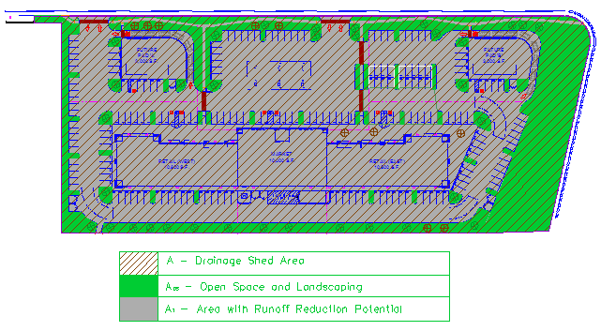
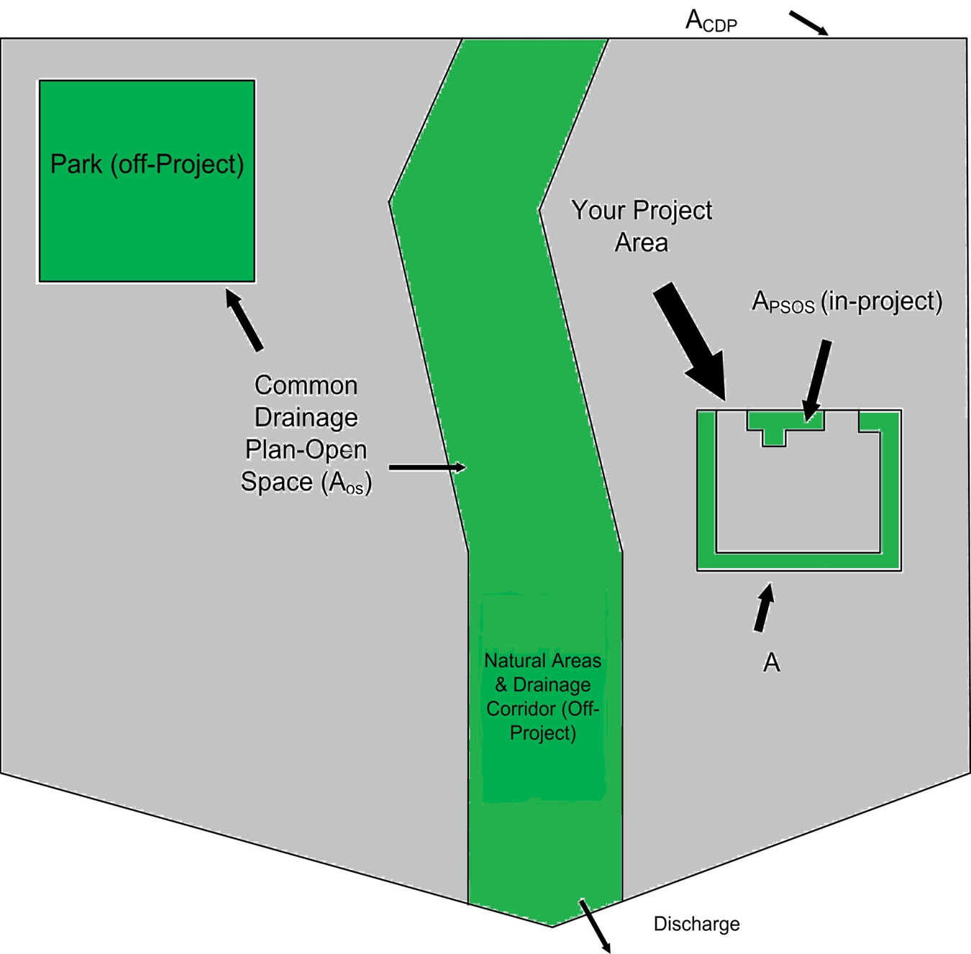

 | Step 2 - Runoff Reduction Credits
 | Runoff Reduction Treatments |  |  | Impervious Area Managed |  |  |  | Efficiency Factor |  | Effective Area Managed (AC)
 | Porous Pavement:
 | Option 1: Porous Pavement |  |  | 0 |  | acres | x |  | = | 0.000 |  | acres
 | (see Fact Sheet, excludes porous pavement used in Option 2)

 | Option 2: Disconnected Pavement |  | use Form D-2a for credits |  |  |  |  |  |  | 0.00 |  | acres
 | (see Fact Sheet, excludes porous pavement used in Option 1)
 | Landscaping used to Disconnect Pavement |  |  | 0.0000 |  | acres |  |  | = | 0.00 |  | acres
 | (see Fact Sheet)
 | Disconnected Roof Drains |  |  | 0 |  | acres |  |  | = | 0.00 |  | acres
 | (see Fact Sheet and/or Table D-2b for summary of requirements)
 | Ecoroof |  |  | 0 |  | acres |  |  | = | 0.00 |  | acres
 | (see Fact Sheet)
 | Interceptor Trees | use Form D-2b for credits |  |  |  |  |  |  |  | 0.00 |  | acres
 | (see Fact Sheet)

 | Total Effective Area Managed by Runoff Reduction Measures |  |  |  |  |  |  | AC |  | 0.00 |  | acres

 | Runoff Reduction Credit (Step 2) |  |  |  |  |  |  |  | (AC / AT )*100 = | #DIV/0! |  | pts

 | Table D-2a |  |  |  |  |  | Table D-2b

 | Porous Pavement Type | Efficiency Multiplier |  |  |  |  | Maximum roof size |  |  | Minimum travel distance
 | Cobblestone Block Pavement | 0.40 |  |  |  |  | ≤ 3,500 sq ft |  |  | 21 | ft
 | Pervious Concrete/Asphalt Pavement | 0.60 |  |  |  |  | ≤ 5,000 sq ft |  |  | 24 | ft
 | Modular Block Pavement & Porous Gravel Pavement | 0.75 |  |  |  |  | ≤ 7,500 sq ft |  |  | 28 | ft
 | Reinforced Grass Pavement | 1.00 |  |  |  |  | ≤ 10,000 sq ft |  |  | 32 | ft

Form D-2a: Disconnected Pavement Worksheet

See Fact Sheet for more information regarding Disconnected Pavement credit guidelines
 |  |  |  |  |  |  |  |  |  |  |  | Effective Area Managed (AC)

Pavement Draining to Porous Pavement

2. Enter area draining onto Porous Pavement |  |  |  |  |  |  | 0.00 |  |  | acres | Box K1

3. Enter area of Receiving Porous Pavement |  |  |  |  |  |  | 0.00 |  |  | acres | Box K2
(excludes area entered in Step 2 under Porous Pavement)
4. Ratio of Areas (Box K1 / Box K2) |  |  |  |  |  |  | 0.00 |  |  |  | Box K3

5. Select multiplier using ratio from Box K3 and enter into Box K4
 | Ratio (Box D) |  |  | Multiplier
 | Ratio is ≤ 0.5 |  |  | 1.00
 | Ratio is > 0.5 and < 1.0 |  |  | 0.83 |  |  | 1 |  |  |  | Box K4
 | Ratio is > 1.0 and < 1.5 |  |  | 0.71
 | Ratio is > 1.5 and < 2.0 |  |  | 0.55

6. Enter Efficiency of Porous Pavement (see table below) |  |  |  |  |  |  |  |  |  |  | Box K5

 | Porous Pavement Type | Efficiency Multiplier
 | Cobblestone Block Pavement | 0.40
 | Pervious Concrete Asphalt Pavement | 0.60
 | Modular Block Pavement Porous Gravel Pavement | 0.75
 | Reinforced Grass Pavement | 1.00
7. Multiply Box K2 by Box K5 and enter into Box K6 |  |  |  |  |  |  | 0.00 |  |  | acres | Box K6

8. Multiply Boxes K1,K4, and K5 and enter the result in Box K7 |  |  |  |  |  |  | 0.00 |  |  | acres | Box K7

9. Add Box K6 to Box K7 and multiply by 60%, and enter the Result in Box K8 |  |  |  |  |  |  |  |  |  |  | 0.00 |  | acres |  | Box K8
This is the amount of area credit to enter into the "Disconnected Pavement" Box of Form D-2

Form D-2b: Interceptor Tree Worksheet

See Fact Sheet for more information regarding Interceptor Tree credit guidelines

New Evergreen Trees
1. Enter number of new evergreen trees that qualify as Interceptor Trees in Box L1. |  |  |  |  |  |  |  |  | trees | Box L1

2. Multiply Box L1 by 200 and enter result in Box L2 |  |  |  |  |  |  | 0 |  | sq. ft. | Box L2

New Deciduous Trees
3. Enter number of new deciduous trees that qualify as Interceptor Trees in Box L3. |  |  |  |  |  |  |  |  | trees | Box L3

4. Multiply Box L3 by 100 and enter result in Box L4 |  |  |  |  |  |  | 0 |  | sq. ft. | Box L4

Existing Tree Canopy

5. Enter square footage of existing tree canopy that qualifies as Existing Tree canopy in Box L5. |  |  |  |  |  |  | 0 |  | sq. ft. | Box L5

6. Multiply Box L5 by 0.5 and enter the result in Box L6 |  |  |  |  |  |  | 0 |  | sq. ft. | Box L6

Total Interceptor Tree EAM Credits

Add Boxes L2, L4, and L6 and enter it into Box L7 |  |  |  |  |  |  | 0 |  | sq. ft. | Box L7

Divide Box L7 by 43,560 and multiply by 20% to get effective area managed and enter result in Box L8 |  |  |  |  |  |  | 0.00 |  | acres | Box L8
This is the amount of area credit to enter into the "Interceptor Trees" Box of Form D-2

 | Step 3 - Runoff Management Credits
 | Capture and Use Credits
 | Impervious Area Managed by Rain barrels, Cisterns, and automatically-emptied systems
 | (see Fact Sheet) |  |  | - | enter gallons, for simple rain barrels |  |  |  |  | 0.00 |  | acres
 | Automated-Control Capture and Use System
 | (see Fact Sheet, then enter impervious area managed by the system) |  |  |  |  |  |  |  |  | 0.00 |  | acres
 | Bioretention/Infiltration Credits
 | Impervious Area Managed by Bioretention BMPs |  |  |  | Bioretention Area |  | sq ft
 | (see Fact Sheet) |  |  |  | Subdrain Elevation |  | inches
 |  |  |  |  | Ponding Depth, inches |  | inches |  |  | 0.00 |  | acres

 | Impervious Area Managed by Infiltration BMPs
 | (see Fact Sheet) |  |  |  | Drawdown Time, hrs |  | drawdown_hrs_inf |  |  |  |  |  |  |  |  | Basin
 |  |  |  |  | Soil Infiltration Rate, in/hr |  | soil_inf_rate |  |  |  |  |  |  |  |  | Trench

 |  | Sizing Option 1: |  |  | Capture Volume, acre-ft | 0.00 | capture_vol_inf |  |  | 0.00 |  | acres

 |  | Sizing Option 2: |  |  | Infiltration BMP surface area, sq ft | 0 | soil_surface_area |  |  | 0.00 |  | acres

 |  |  | Basin or trench? |  |  |  | approximate BMP depth | 0.00 | ft

 | Impervious Area Managed by Amended Soil or Mulch Beds
 | (see Fact Sheet) |  |  |  | Mulched Infiltration Area, sq ft |  | mulch_area |  |  | 0.00 |  | acres

 | Total Effective Area Managed by Capture-and-Use/Bioretention/Infiltration BMPs |  |  |  |  |  |  |  |  | 0.00 |  | ALIDc

 | Runoff Management Credit (Step 3) |  |  |  |  |  |  |  | ALIDC/AT*200 = | #DIV/0! |  | pts

 | Total LID Credits (Step 1+2+3) |  |  |  |  |  |  |  | #DIV/0! | #DIV/0!
 | Does project require hydromodification management? If yes, proceed to using SacHM. Is LID pts ≥ 100? If yes, proceed to step 4. If not, iterate through steps 1 & 2 until pts ≥ 100.

 | Adjusted Area for Flow-Based, Non-LID Treatment |  |  |  |  |  |  | AT - AC -ALIDC = | 0.00 |  |  | AAT

 | Adjusted Impervious Fraction of A for Volume-Based, Non-LID Treatment |  |  |  |  |  |  | AAT / A = | 0.00 |  |  | IA

 | STOP: No additional treatment needed

Step 4a Treatment - Flow-Based (Rational Method)

Calculate treatment flow (cfs): |  |  | Flow = Runoff Coefficient x Rainfall Intensity x Area
 |  |  |  |  |  |  |  |  |  | Table D-2c
Look up value for i in Table D-2c (Rainfall Intensity) |  |  | select a location on page 1 |  | i |  |  |  |  | Rainfall Intensity
 |  |  |  |  |  |  |  |  |  | Roseville | i = | 0.20 | in/hr
Obtain AAT from Step 3 |  |  | 0.00 |  | AAT |  |  |  |  | Sacramento | i = | 0.18 | in/hr
 |  |  |  |  |  |  |  |  |  | Folsom | i = | 0.20 | in/hr
Use C = 0.95 |  |  | 0.95 |  | C

 | Flow = 0.95 * i * AAT |  | #VALUE! |  | cfs

Step 4b Treatment - Volume-Based (ASCE-WEF)

Calculate water quality volume (Acre-Feet): |  |  | WQV = Area x Maximized Detention Volume (P0)

Obtain A from Step 1 |  |  | 0.00 |  |  | A |  |  | hrs | Specified Draw Down time

Obtain P0: Maximized Detention Volume from figures E-1 to E-4 in Appendix E of this manual using IA from Step 2. |  |  | 0.00 |  |  | P0

Calculate treatment volume (acre-ft):
 | Treatment volume = A x (P0 / 12) |  | 0.00 |  |  | Acre-Feet
 |  |  |  |  |  |  |  |  |  |  |  |  |  | v06232012
Rain Barrel Credit
Annual Rainfall Depth / emptying frequency |  |  |  | 18 | ARDperEF | in |  | emptied per year | 1

Back-calculating impervious areas using WEF/ASCE so I=1 the following calculations for infiltration BMPs and bioretention/planter box BMPs.
Imperviousness |  |  |  | 1 |  | I

Back-calculate Impervious Area Treated by Infiltration BMP
Obtain P0: Maximized Detention Volume from Figures E-1 to E-4 in Appendix E of this manual using I=1 and drawdown time selected in Step 3 above. |  |  | 0.96 |  | inches | P0

Back-calculate Impervious Area Treated by Bioretention/Planter Boxes

Obtain P0: Maximized Detention Volume from Figures E-1 in Appendix E of this manual using I=1.0 and drawdown time=12 hrs. |  |  | 0.64 |  | inches | P0

Imperviousconversion
TABLE D-2d
Adjusted Runoff Coefficient (CASQA) |  |  |  |  |  |  |  | For look up table |  |  |  |  | Info for ASCE WEF method to determine P0 |  |  |  |  |  | Drawdown times (hours)
 |  |  |  |  |  |  |  |  |  | Table for CASQA unit basin storage vs capture runoff at 80% |  |  |  |  |  |  |  |  | 12
IA | CA | IA | CA | IA | CA | IA | CA | IA | CA | Runoff Coeff | Basin Storage Vol (in) |  |  | a12 | 1.312 |  |  |  | 24
0 | 0.0400 | 0.3 | 0.2252 | 0.6 | 0.4089 | 0.9 | 0.7303 | 0 | 0.04 | 0 | 0 | 0.0064 |  | a24 | 1.582 |  |  |  | 48
0.01 | 0.0477 | 0.31 | 0.2305 | 0.61 | 0.4167 | 0.91 | 0.7450 | 0.01 | 0.05 | 0.01 | 0.0064 |  |  | a48 | 1.963
0.02 | 0.0552 | 0.32 | 0.2359 | 0.62 | 0.4245 | 0.92 | 0.7600 | 0.02 | 0.06 | 0.02 | 0.0128 |  |  | P6 | 0.55
0.03 | 0.0625 | 0.33 | 0.2413 | 0.63 | 0.4326 | 0.93 | 0.7753 | 0.03 | 0.06 | 0.03 | 0.0192
0.04 | 0.0698 | 0.34 | 0.2467 | 0.64 | 0.4408 | 0.94 | 0.7910 | 0.04 | 0.07 | 0.04 | 0.0256
0.05 | 0.0769 | 0.35 | 0.2521 | 0.65 | 0.4492 | 0.95 | 0.8070 | 0.05 | 0.08 | 0.05 | 0.032 |  | percent
0.06 | 0.0838 | 0.36 | 0.2576 | 0.66 | 0.4577 | 0.96 | 0.8233 | 0.06 | 0.08 | 0.06 | 0.0384 |  | i | i | c | P12 | P24 | P48
0.07 | 0.0907 | 0.37 | 0.2631 | 0.67 | 0.4665 | 0.97 | 0.8400 | 0.07 | 0.09 | 0.07 | 0.0448 |  | 1 | 0.01 | 0.05 | 0.03 | 0.04 | 0.05
0.08 | 0.0974 | 0.38 | 0.2686 | 0.68 | 0.4754 | 0.98 | 0.8570 | 0.08 | 0.10 | 0.08 | 0.0512 |  | 2 | 0.02 | 0.06 | 0.04 | 0.05 | 0.06
0.09 | 0.1040 | 0.39 | 0.2741 | 0.69 | 0.4846 | 0.99 | 0.8743 | 0.09 | 0.10 | 0.09 | 0.0576 |  | 3 | 0.03 | 0.06 | 0.05 | 0.05 | 0.07
0.1 | 0.1105 | 0.4 | 0.2797 | 0.7 | 0.4939 | 1 | 0.8920 | 0.1 | 0.11 | 0.1 | 0.064 |  | 4 | 0.04 | 0.07 | 0.05 | 0.06 | 0.08
0.11 | 0.1168 | 0.41 | 0.2854 | 0.71 | 0.5034 |  |  | 0.11 | 0.12 | 0.11 | 0.0704 |  | 5 | 0.05 | 0.08 | 0.06 | 0.07 | 0.08
0.12 | 0.1231 | 0.42 | 0.2911 | 0.72 | 0.5132 |  |  | 0.12 | 0.12 | 0.12 | 0.0768 |  | 6 | 0.06 | 0.08 | 0.06 | 0.07 | 0.09
0.13 | 0.1293 | 0.43 | 0.2968 | 0.73 | 0.5231 |  |  | 0.13 | 0.13 | 0.13 | 0.0832 |  | 7 | 0.07 | 0.09 | 0.07 | 0.08 | 0.10
0.14 | 0.1354 | 0.44 | 0.3026 | 0.74 | 0.5333 |  |  | 0.14 | 0.14 | 0.14 | 0.0896 |  | 8 | 0.08 | 0.10 | 0.07 | 0.08 | 0.11
0.15 | 0.1414 | 0.45 | 0.3085 | 0.75 | 0.5437 |  |  | 0.15 | 0.14 | 0.15 | 0.096 |  | 9 | 0.09 | 0.10 | 0.08 | 0.09 | 0.11
0.16 | 0.1474 | 0.46 | 0.3145 | 0.76 | 0.5544 |  |  | 0.16 | 0.15 | 0.16 | 0.1024 |  | 10 | 0.10 | 0.11 | 0.08 | 0.10 | 0.12
0.17 | 0.1533 | 0.47 | 0.3206 | 0.77 | 0.5652 |  |  | 0.17 | 0.15 | 0.17 | 0.1088 |  | 11 | 0.11 | 0.12 | 0.08 | 0.10 | 0.13
0.18 | 0.1591 | 0.48 | 0.3267 | 0.78 | 0.5763 |  |  | 0.18 | 0.16 | 0.18 | 0.1152 |  | 12 | 0.12 | 0.12 | 0.09 | 0.11 | 0.13
0.19 | 0.1648 | 0.49 | 0.3329 | 0.79 | 0.5877 |  |  | 0.19 | 0.16 | 0.19 | 0.1216 |  | 13 | 0.13 | 0.13 | 0.09 | 0.11 | 0.14
0.2 | 0.1705 | 0.5 | 0.3393 | 0.8 | 0.5993 |  |  | 0.2 | 0.17 | 0.2 | 0.128 |  | 14 | 0.14 | 0.14 | 0.10 | 0.12 | 0.15
0.21 | 0.1761 | 0.51 | 0.3457 | 0.81 | 0.6112 |  |  | 0.21 | 0.18 | 0.21 | 0.1344 |  | 15 | 0.15 | 0.14 | 0.10 | 0.12 | 0.15
0.22 | 0.1817 | 0.52 | 0.3522 | 0.82 | 0.6233 |  |  | 0.22 | 0.18 | 0.22 | 0.1408 |  | 16 | 0.16 | 0.15 | 0.11 | 0.13 | 0.16
0.23 | 0.1872 | 0.53 | 0.3589 | 0.83 | 0.6357 |  |  | 0.23 | 0.19 | 0.23 | 0.1472 |  | 17 | 0.17 | 0.15 | 0.11 | 0.13 | 0.17
0.24 | 0.1927 | 0.54 | 0.3656 | 0.84 | 0.6483 |  |  | 0.24 | 0.19 | 0.24 | 0.1536 |  | 18 | 0.18 | 0.16 | 0.11 | 0.14 | 0.17
0.25 | 0.1982 | 0.55 | 0.3725 | 0.85 | 0.6613 |  |  | 0.25 | 0.20 | 0.25 | 0.16 | assume linear change between the two adjacent points | 19 | 0.19 | 0.16 | 0.12 | 0.14 | 0.18
0.26 | 0.2036 | 0.56 | 0.3795 | 0.86 | 0.6745 |  |  | 0.26 | 0.20 | 0.26 | 0.17 | change between the two pts | 20 | 0.20 | 0.17 | 0.12 | 0.15 | 0.18
0.27 | 0.2090 | 0.57 | 0.3867 | 0.87 | 0.6880 |  |  | 0.27 | 0.21 | 0.27 | 0.18 | 0.0084 | 21 | 0.21 | 0.18 | 0.13 | 0.15 | 0.19
0.28 | 0.2144 | 0.58 | 0.3939 | 0.88 | 0.7018 |  |  | 0.28 | 0.21 | 0.28 | 0.19 |  | 22 | 0.22 | 0.18 | 0.13 | 0.16 | 0.20
0.29 | 0.2198 | 0.59 | 0.4014 | 0.89 | 0.7159 |  |  | 0.29 | 0.22 | 0.29 | 0.19 |  | 23 | 0.23 | 0.19 | 0.14 | 0.16 | 0.20
 |  |  |  |  |  |  |  | 0.3 | 0.23 | 0.3 | 0.20 |  | 24 | 0.24 | 0.19 | 0.14 | 0.17 | 0.21
 |  |  |  |  |  |  |  | 0.31 | 0.23 | 0.31 | 0.21 |  | 25 | 0.25 | 0.20 | 0.14 | 0.17 | 0.21
 |  |  |  |  |  |  |  | 0.32 | 0.24 | 0.32 | 0.22 |  | 26 | 0.26 | 0.20 | 0.15 | 0.18 | 0.22
 |  |  |  |  |  |  |  | 0.33 | 0.24 | 0.33 | 0.23 |  | 27 | 0.27 | 0.21 | 0.15 | 0.18 | 0.23
 |  |  |  |  |  |  |  | 0.34 | 0.25 | 0.34 | 0.24 |  | 28 | 0.28 | 0.21 | 0.15 | 0.19 | 0.23
 |  |  |  |  |  |  |  | 0.35 | 0.25 | 0.35 | 0.24 |  | 29 | 0.29 | 0.22 | 0.16 | 0.19 | 0.24
For July 2018 Manual
 |  |  |  |  |  |  |  | 0.36 | 0.26 | 0.36 | 0.25 |  | 30 | 0.30 | 0.23 | 0.16 | 0.20 | 0.24
 |  |  |  |  |  |  |  | 0.37 | 0.26 | 0.37 | 0.26 |  | 31 | 0.31 | 0.23 | 0.17 | 0.20 | 0.25
 |  |  |  |  |  |  |  | 0.38 | 0.27 | 0.38 | 0.27 |  | 32 | 0.32 | 0.24 | 0.17 | 0.21 | 0.25
 |  |  |  |  |  |  |  | 0.39 | 0.27 | 0.39 | 0.28 |  | 33 | 0.33 | 0.24 | 0.17 | 0.21 | 0.26
 |  |  |  |  |  |  |  | 0.4 | 0.28 | 0.4 | 0.29 |  | 34 | 0.34 | 0.25 | 0.18 | 0.21 | 0.27
 |  |  |  |  |  |  |  | 0.41 | 0.29 | 0.41 | 0.29 |  | 35 | 0.35 | 0.25 | 0.18 | 0.22 | 0.27
 |  |  |  |  |  |  |  | 0.42 | 0.29 | 0.42 | 0.30 |  | 36 | 0.36 | 0.26 | 0.19 | 0.22 | 0.28
 |  |  |  |  |  |  |  | 0.43 | 0.30 | 0.43 | 0.31 |  | 37 | 0.37 | 0.26 | 0.19 | 0.23 | 0.28
 |  |  |  |  |  |  |  | 0.44 | 0.30 | 0.44 | 0.32 |  | 38 | 0.38 | 0.27 | 0.19 | 0.23 | 0.29
 |  |  |  |  |  |  |  | 0.45 | 0.31 | 0.45 | 0.33 |  | 39 | 0.39 | 0.27 | 0.20 | 0.24 | 0.30
 |  |  |  |  |  |  |  | 0.46 | 0.31 | 0.46 | 0.34 |  | 40 | 0.40 | 0.28 | 0.20 | 0.24 | 0.30
 |  |  |  |  |  |  |  | 0.47 | 0.32 | 0.47 | 0.34 |  | 41 | 0.41 | 0.29 | 0.21 | 0.25 | 0.31
 |  |  |  |  |  |  |  | 0.48 | 0.33 | 0.48 | 0.35 |  | 42 | 0.42 | 0.29 | 0.21 | 0.25 | 0.31
 |  |  |  |  |  |  |  | 0.49 | 0.33 | 0.49 | 0.36 |  | 43 | 0.43 | 0.30 | 0.21 | 0.26 | 0.32
 |  |  |  |  |  |  |  | 0.5 | 0.34 | 0.5 | 0.37 |  | 44 | 0.44 | 0.30 | 0.22 | 0.26 | 0.33
 |  |  |  |  |  |  |  | 0.51 | 0.35 | 0.51 | 0.38 | change between the two pts | 45 | 0.45 | 0.31 | 0.22 | 0.27 | 0.33
 |  |  |  |  |  |  |  | 0.52 | 0.35 | 0.52 | 0.38 | 0.0068 | 46 | 0.46 | 0.31 | 0.23 | 0.27 | 0.34
 |  |  |  |  |  |  |  | 0.53 | 0.36 | 0.53 | 0.39 |  | 47 | 0.47 | 0.32 | 0.23 | 0.28 | 0.35
 |  |  |  |  |  |  |  | 0.54 | 0.37 | 0.54 | 0.40 |  | 48 | 0.48 | 0.33 | 0.24 | 0.28 | 0.35
 |  |  |  |  |  |  |  | 0.55 | 0.37 | 0.55 | 0.40 |  | 49 | 0.49 | 0.33 | 0.24 | 0.29 | 0.36
 |  |  |  |  |  |  |  | 0.56 | 0.38 | 0.56 | 0.41 |  | 50 | 0.50 | 0.34 | 0.24 | 0.30 | 0.37
 |  |  |  |  |  |  |  | 0.57 | 0.39 | 0.57 | 0.42 |  | 51 | 0.51 | 0.35 | 0.25 | 0.30 | 0.37
 |  |  |  |  |  |  |  | 0.58 | 0.39 | 0.58 | 0.42 |  | 52 | 0.52 | 0.35 | 0.25 | 0.31 | 0.38
 |  |  |  |  |  |  |  | 0.59 | 0.40 | 0.59 | 0.43 |  | 53 | 0.53 | 0.36 | 0.26 | 0.31 | 0.39
 |  |  |  |  |  |  |  | 0.6 | 0.41 | 0.6 | 0.44 |  | 54 | 0.54 | 0.37 | 0.26 | 0.32 | 0.39
 |  |  |  |  |  |  |  | 0.61 | 0.42 | 0.61 | 0.44 |  | 55 | 0.55 | 0.37 | 0.27 | 0.32 | 0.40
 |  |  |  |  |  |  |  | 0.62 | 0.42 | 0.62 | 0.45 |  | 56 | 0.56 | 0.38 | 0.27 | 0.33 | 0.41
 |  |  |  |  |  |  |  | 0.63 | 0.43 | 0.63 | 0.46 |  | 57 | 0.57 | 0.39 | 0.28 | 0.34 | 0.42
 |  |  |  |  |  |  |  | 0.64 | 0.44 | 0.64 | 0.47 |  | 58 | 0.58 | 0.39 | 0.28 | 0.34 | 0.43
 |  |  |  |  |  |  |  | 0.65 | 0.45 | 0.65 | 0.47 |  | 59 | 0.59 | 0.40 | 0.29 | 0.35 | 0.43
 |  |  |  |  |  |  |  | 0.66 | 0.46 | 0.66 | 0.48 |  | 60 | 0.60 | 0.41 | 0.30 | 0.36 | 0.44
 |  |  |  |  |  |  |  | 0.67 | 0.47 | 0.67 | 0.49 |  | 61 | 0.61 | 0.42 | 0.30 | 0.36 | 0.45
 |  |  |  |  |  |  |  | 0.68 | 0.48 | 0.68 | 0.49 |  | 62 | 0.62 | 0.42 | 0.31 | 0.37 | 0.46
 |  |  |  |  |  |  |  | 0.69 | 0.48 | 0.69 | 0.50 |  | 63 | 0.63 | 0.43 | 0.31 | 0.38 | 0.47
 |  |  |  |  |  |  |  | 0.7 | 0.49 | 0.7 | 0.51 |  | 64 | 0.64 | 0.44 | 0.32 | 0.38 | 0.48
 |  |  |  |  |  |  |  | 0.71 | 0.50 | 0.71 | 0.51 |  | 65 | 0.65 | 0.45 | 0.32 | 0.39 | 0.48
 |  |  |  |  |  |  |  | 0.72 | 0.51 | 0.72 | 0.52 |  | 66 | 0.66 | 0.46 | 0.33 | 0.40 | 0.49
 |  |  |  |  |  |  |  | 0.73 | 0.52 | 0.73 | 0.53 |  | 67 | 0.67 | 0.47 | 0.34 | 0.41 | 0.50
 |  |  |  |  |  |  |  | 0.74 | 0.53 | 0.74 | 0.53 |  | 68 | 0.68 | 0.48 | 0.34 | 0.41 | 0.51
 |  |  |  |  |  |  |  | 0.75 | 0.54 | 0.75 | 0.54 | change between the two pts | 69 | 0.69 | 0.48 | 0.35 | 0.42 | 0.52
 |  |  |  |  |  |  |  | 0.76 | 0.55 | 0.76 | 0.55 | 0.0076 | 70 | 0.70 | 0.49 | 0.36 | 0.43 | 0.53
 |  |  |  |  |  |  |  | 0.77 | 0.57 | 0.77 | 0.56 |  | 71 | 0.71 | 0.50 | 0.36 | 0.44 | 0.54
 |  |  |  |  |  |  |  | 0.78 | 0.58 | 0.78 | 0.56 |  | 72 | 0.72 | 0.51 | 0.37 | 0.45 | 0.55
 |  |  |  |  |  |  |  | 0.79 | 0.59 | 0.79 | 0.57 |  | 73 | 0.73 | 0.52 | 0.38 | 0.46 | 0.56
 |  |  |  |  |  |  |  | 0.8 | 0.60 | 0.8 | 0.58 |  | 74 | 0.74 | 0.53 | 0.38 | 0.46 | 0.58
 |  |  |  |  |  |  |  | 0.81 | 0.61 | 0.81 | 0.59 |  | 75 | 0.75 | 0.54 | 0.39 | 0.47 | 0.59
 |  |  |  |  |  |  |  | 0.82 | 0.62 | 0.82 | 0.59 |  | 76 | 0.76 | 0.55 | 0.40 | 0.48 | 0.60
 |  |  |  |  |  |  |  | 0.83 | 0.64 | 0.83 | 0.60 |  | 77 | 0.77 | 0.57 | 0.41 | 0.49 | 0.61
 |  |  |  |  |  |  |  | 0.84 | 0.65 | 0.84 | 0.61 |  | 78 | 0.78 | 0.58 | 0.42 | 0.50 | 0.62
 |  |  |  |  |  |  |  | 0.85 | 0.66 | 0.85 | 0.62 |  | 79 | 0.79 | 0.59 | 0.42 | 0.51 | 0.63
 |  |  |  |  |  |  |  | 0.86 | 0.67 | 0.86 | 0.62 |  | 80 | 0.80 | 0.60 | 0.43 | 0.52 | 0.65
 |  |  |  |  |  |  |  | 0.87 | 0.69 | 0.87 | 0.63 |  | 81 | 0.81 | 0.61 | 0.44 | 0.53 | 0.66
 |  |  |  |  |  |  |  | 0.88 | 0.70 | 0.88 | 0.64 |  | 82 | 0.82 | 0.62 | 0.45 | 0.54 | 0.67
 |  |  |  |  |  |  |  | 0.89 | 0.72 | 0.89 | 0.65 |  | 83 | 0.83 | 0.64 | 0.46 | 0.55 | 0.69
 |  |  |  |  |  |  |  | 0.90 | 0.73 | 0.9 | 0.65 |  | 84 | 0.84 | 0.65 | 0.47 | 0.56 | 0.70
 |  |  |  |  |  |  |  | 0.91 | 0.74 | 0.91 | 0.66 |  | 85 | 0.85 | 0.66 | 0.48 | 0.58 | 0.71
 |  |  |  |  |  |  |  | 0.92 | 0.76 | 0.92 | 0.67 |  | 86 | 0.86 | 0.67 | 0.49 | 0.59 | 0.73
 |  |  |  |  |  |  |  | 0.93 | 0.78 | 0.93 | 0.68 |  | 87 | 0.87 | 0.69 | 0.50 | 0.60 | 0.74
 |  |  |  |  |  |  |  | 0.94 | 0.79 | 0.94 | 0.68 |  | 88 | 0.88 | 0.70 | 0.51 | 0.61 | 0.76
 |  |  |  |  |  |  |  | 0.95 | 0.81 | 0.95 | 0.69 |  | 89 | 0.89 | 0.72 | 0.52 | 0.62 | 0.77
 |  |  |  |  |  |  |  | 0.96 | 0.82 | 0.96 | 0.70 |  | 90 | 0.90 | 0.73 | 0.53 | 0.64 | 0.79
 |  |  |  |  |  |  |  | 0.97 | 0.84 | 0.97 | 0.71 |  | 91 | 0.91 | 0.74 | 0.54 | 0.65 | 0.80
 |  |  |  |  |  |  |  | 0.98 | 0.86 | 0.98 | 0.71 |  | 92 | 0.92 | 0.76 | 0.55 | 0.66 | 0.82
 |  |  |  |  |  |  |  | 0.99 | 0.87 | 0.99 | 0.72 |  | 93 | 0.93 | 0.78 | 0.56 | 0.67 | 0.84
 |  |  |  |  |  |  |  | 1.00 | 0.89 | 1 | 0.73 |  | 94 | 0.94 | 0.79 | 0.57 | 0.69 | 0.85
 |  |  |  |  |  |  |  |  |  |  |  |  | 95 | 0.95 | 0.81 | 0.58 | 0.70 | 0.87
 |  |  |  |  |  |  |  |  |  |  |  |  | 96 | 0.96 | 0.82 | 0.59 | 0.72 | 0.89
 |  |  |  |  |  |  |  |  |  |  |  |  | 97 | 0.97 | 0.84 | 0.61 | 0.73 | 0.91
 |  |  |  |  |  |  |  |  |  |  |  |  | 98 | 0.98 | 0.86 | 0.62 | 0.75 | 0.93
 |  |  |  |  |  |  |  |  |  |  |  |  | 99 | 0.99 | 0.87 | 0.63 | 0.76 | 0.94
 |  |  |  |  |  |  |  |  |  |  |  |  | 100 | 1.00 | 0.89 | 0.64 | 0.78 | 0.96

